System data
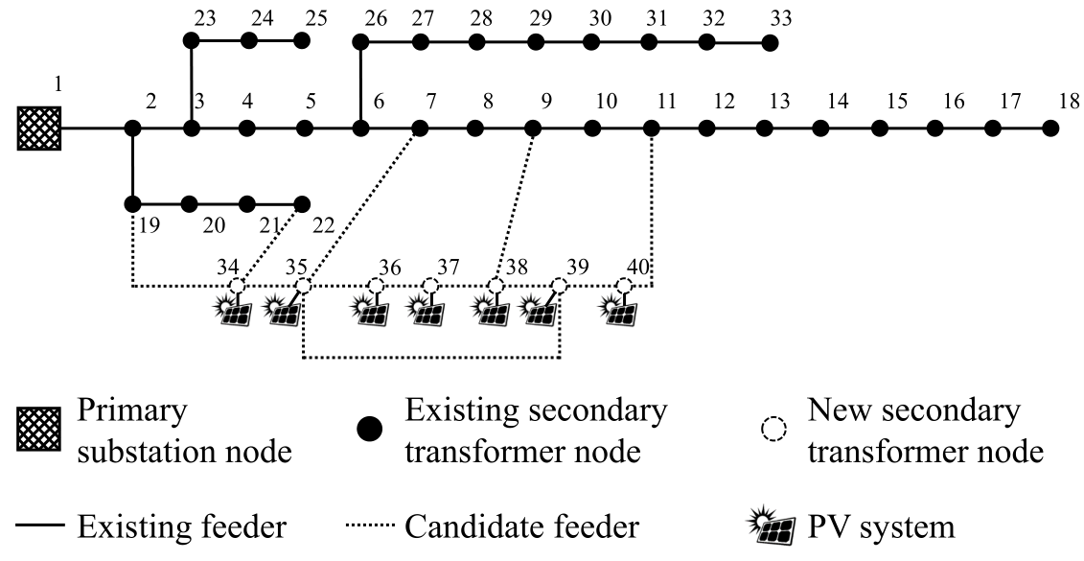
Base power | 10 MVA
Base voltage | 12.66 kV
Upper bound for voltage | 1.07 p.u.
Lower bound for voltage | 0.93 p.u.
Planning horizon | 5 years
Discount rate | 10%
Annual load growth | 3%
Per-unit cost of electricity purchase | 0.5 ¥/kWh
Per-unit cost of PV curtailment | 5 ¥/kWh
Per-unit cost of load shedding | 50 ¥/kWh
Optimal gap of Benders decomposition algorithm | 0.01%

